Fill pattern
Copy the cells downwards to fill in with patterns. They can be personalised.
Monday | Lunes | 1 | 1-Jan-2022 | Portfolio 1
Tuesday | Martes | 2 | 2-Jan-2022 | Portfolio 2
Wednesday | Miercoles | 3 | 3-Jan-2022 | Portfolio 3
Thursday | Jueves | 4 | 4-Jan-2022 | Portfolio 4 | Naranjas
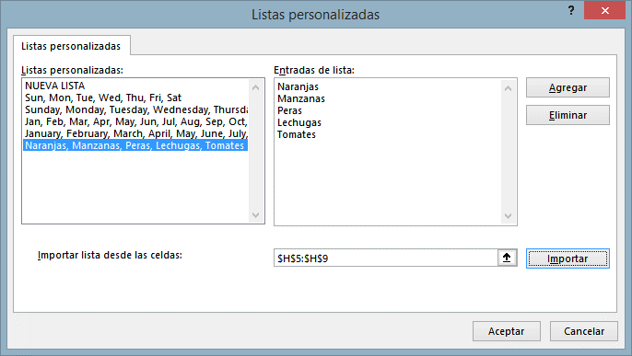
Friday | Viernes | 5 | 5-Jan-2022 | Portfolio 5 | Manzanas
Saturday | Sabado | 6 | 6-Jan-2022 | Portfolio 6 | Peras
Sunday | Domingo | 7 | 7-Jan-2022 | Portfolio 7 | Lechugas
Monday | Lunes |  |  |  | Tomates
 | Martes
 | Miercoles |  | Naranjas
 | Jueves |  | Manzanas
 | Viernes |  | Peras
 | Sabado |  | Lechugas
 | Domingo |  | Tomates
 | Lunes

Flash fill
In the column Text, create a text that shows the quantity of each fruit sold to each Buyer ("We have sold 20 boxes of Apples to Alcampo"). You need more than one row for complex things

Fruit | Box weight Kg | Cost per Kg | Price per Kg | Buyer | Quantity | Fruit origin | Text
Apple | 2 | 100 | 150 | Alcampo | 20 | Costa Rica | We have sold 20 boxes of Apples to Alcampo
Apple | 2 | 100 | 150 | Mercadona | 30 | Costa Rica | We have sold 30 boxes of Apples to Mercadona
Apple | 2 | 100 | 150 | Dia | 15 | Costa Rica | We have sold 15 boxes of Apples to Dia
Apple | 4 | 200 | 300 | Alcampo | 10 | Costa Rica | We have sold 10 boxes of Apples to Alcampo
Apple | 4 | 200 | 300 | Mercadona | 20 | Costa Rica | We have sold 20 boxes of Apples to Mercadona
Apple | 4 | 200 | 300 | Dia | 30 | Costa Rica | We have sold 30 boxes of Apples to Dia
Apple | 4 | 200 | 300 | Lidl | 40 | Costa Rica | We have sold 40 boxes of Apples to Lidl
Orange | 2 | 150 | 120 | Alcampo | 5 | Costa Rica | We have sold 5 boxes of Oranges to Alcampo
Orange | 2 | 150 | 120 | Mercadona | 25 | Costa Rica | We have sold 25 boxes of Oranges to Mercadona
Orange | 2 | 150 | 120 | Dia | 15 | Costa Rica | We have sold 15 boxes of Oranges to Dia
Orange | 4 | 300 | 240 | Alcampo | 20 | Costa Rica | We have sold 20 boxes of Oranges to Alcampo
Orange | 4 | 300 | 240 | Mercadona | 10 | Costa Rica | We have sold 10 boxes of Oranges to Mercadona
Orange | 4 | 300 | 240 | Dia | 5 | Costa Rica | We have sold 5 boxes of Oranges to Dia
Orange | 4 | 300 | 240 | Lidl | 25 | Costa Rica | We have sold 25 boxes of Oranges to Lidl
Mango | 2 | 80 | 160 | Alcampo | 35 | India | We have sold 35 boxes of Mangos to Alcampo
Mango | 2 | 80 | 160 | Mercadona | 40 | India | We have sold 40 boxes of Mangos to Mercadona
Mango | 2 | 80 | 160 | Dia | 20 | India | We have sold 20 boxes of Mangos to Dia
Mango | 4 | 160 | 320 | Alcampo | 30 | India | We have sold 30 boxes of Mangos to Alcampo
Mango | 4 | 160 | 320 | Mercadona | 40 | India | We have sold 40 boxes of Mangos to Mercadona
 |  |  |  |  |  |  |  | Number with country code | Number without country code
In the column Number without country coode, create a text that shows the phone numbers without the country code.
 |  |  |  |  |  |  |  | +91-1234567
 |  |  |  |  |  |  |  | +91-1234568
 |  |  |  |  |  |  |  | +91-1234569
 |  |  |  |  |  |  |  | +91-1234570
 |  |  |  |  |  |  |  | +91-1234571
 |  |  |  |  |  |  |  | +91-1234572
 |  |  |  |  |  |  |  | +91-1234573
 |  |  |  |  |  |  |  | +91-1234574
 |  |  |  |  |  |  |  | +91-1234575
 |  |  |  |  |  |  |  | +91-1234576
 |  |  |  |  |  |  |  | +91-1234577
 |  |  |  |  |  |  |  | +91-1234578

